Visio Data Visualizer
Cross-Functional Flowchart - Data Visualizer
Three easy steps to create process diagrams from your data.
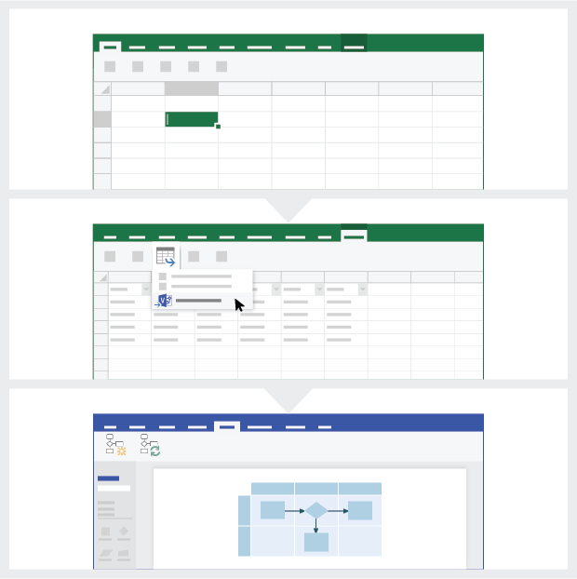
 | 1 | Add your process data Use this Excel template to add your process data to the sheet titled 'Process Map'.

 | 2 | Export to Visio Select the Table in the 'Process Map' sheet to see the Table Tools Design tab. Click the Export option and then click 'Export Table to Visio Diagram' to create the diagram in Visio.

 | 3 | Get your diagram Visio creates the shapes and connectors, and it does the layout automatically for you!

Understand the Process Map >

 |  | Note: The feature is only available on Visio Pro for O365. If you do not have Visio Pro installed then the 'Export Table to Visio Diagram' option will not be available.

Understand the Process Map
Cross-Functional Flowchart - Data Visualizer
This sheet will help you understand the meaning of the data columns in the Process Map.

Process Step ID
The values in this column should uniquely identify your process steps for example 1,2,3… or P100,P200,P300… This is a mandatory field.

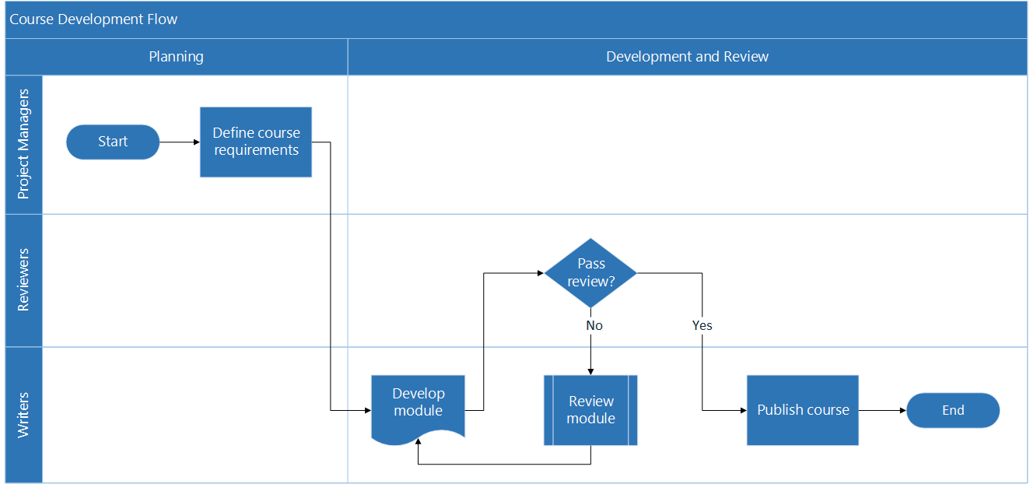
Process Step Description
Add a brief description about your process steps in this column. This description is shown as shape text for process steps in Visio.

Next Step ID
Add the 'Process Step ID' of the next step in this column. Note: If any process step has multiple next steps, then these should be represented as comma separated values, for example "2,3" or "P200,P300".

Connector Labels
Add the connector text for outgoing connectors of any process step in this column. Note: The labels for multiple next steps for a process should be represented as comma separated values, for example "Yes,No", in the same order as that of the outgoing steps.

Shape Type
Add keywords for shape type in this column. This column contains a list of all available flowchart shapes in Visio. Recommended: Select a shape type value from the available values in the dropdown list.

Let's get started >
Function
Add the function or swimlane to which each process step belongs to in this column.

Phase
Add the phases to which each process step belongs to in this column.

Meta Data / Metric Data
The rest of the columns are metric/ metadata columns for your process steps. You can add any number of additional columns.

Visio Pro Trial
Try now
Want to try out the feature?
Download the Visio Pro for Office 365 trial now!

